Bug Report
LINKEDIN
Version No: 108.0.5359.126 |  |  |  | Tested by: ROSMI BABU
Verified By: RAKHI |  |  |  | Date: 17/01/2023
OS: Windows |  |  |  | Browser: Google Chrome
HOME PAGE
Bug Id | Expected Result | Bug Description | Steps to reproduce | Screenshot | Severity | Priority | Status
LKI_BR_01 | Could add end number of job preferences | There is no limit for adding job preferences | https://www.linkedin.com/in /rosmi-babu-1668a1228/ opportunities/job-opportunities /edit/?trackingCode=li_LOL_SPIN _global_careers_jobsgtm_ otw2_acq_Nov2020_spinv2 | 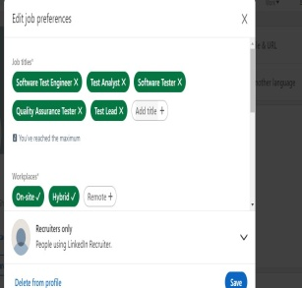 | Minor | P3 | New
LKI_BR_02 | Updated job prefernce notifications | Notifications are displayed as per the updated job prefernces | https://www.linkedin.com/notifications /?filter=all |  | Major | P2 | New
LKI_BR_03 | Able to atttach mutiple files | Multiple attachment of files are possible | https://www.linkedin.com/feed |  | Major | P2 | Fixed
LKI_BR_04 | Can get access to the social media links like facebook,instagram.. | Easy access to the social media links | https://www.linkedin.com/feed |  | Minor | P3 | New
LKI_BR_05 | Able to add all details added using the link | All details can be added through the website | https://www.linkedin.com/in/rosmi-babu-1668a1228/edit/forms/intro/new/?profileFormEntryPoint=PROFILE_SECTION |  | Minor | P3 | New
LKI_BR_06 | Could add all details for the account | All essential details can be added | https://www.linkedin.com/in /rosmi-babu-1668a1228/edit/forms /intro/new/?profileForm EntryPoint=PROFILE_SECTION |  | Enhancement | P5 | New

LOGIN
LKI_BR_01 | No errors while loading the page | Easy access to the page | https://www.linkedin.com/feed |  | Critical | P1 | Assigned
LKI_BR_02 | Could easily responsive to the page | Page is responsive to thelink | https://www.linkedin.com/feed |  | Major | P1 | Assigned

Defect Distribution Graph
DEFECT DISTRIBUTION CHART

Module Name | Defect Distribution
Login | 2
Home Page | 6

